Worksheet
Generated by SolarQuotes.com.au: | Latest version here
Product Name | Fronius GEN24 Primo | Fronius Primo | Fronius Symo | Sungrow SGRS Series | Sungrow SGRT Series | GoodWe DNS G3 Series | GoodWe SDT-G2 Series | GoodWe MS Series | Solis S5 Series (Single phase) 5-6kW | Solis S5 Series (Single phase) 7-10kW | Solis S6 Series | Sigenergy Energy Controller (single-phase) | Sigenergy Energy Controller (three-phase) | SMA Sunny Boy (5.0-6.0kW) | SMA Tripower (5-6 kW) | SMA Tripower (8.0-10.0kW) | SMA Tripower X (15kW) | SolarEdge HD Wave Genesis (5-6kW) | SolarEdge HD Wave Genesis (8.25-10kW) | SolarEdge Three Phase | iStore (Single phase, 5-6kW) | iStore (Three phase, 5-6 kW) | iStore (Three phase, 10-25 kW) | iStore (Single phase, 10kW) | Enphase IQ8AC | Enphase IQ8HC | GEP 5-10kW (Single phase) | GEP 5-15kW (Three phase)
Manufacturer Logo
Product Image | 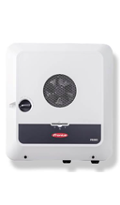 | 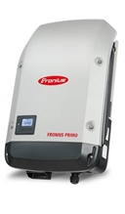 | 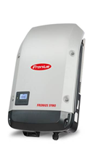 | 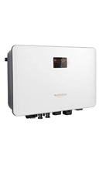 | 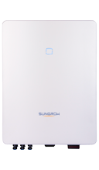 | 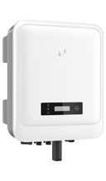 | 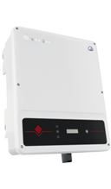 | 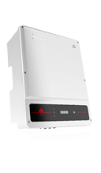 | 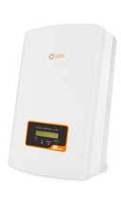 |  | 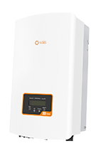 | 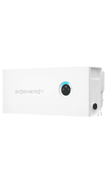 |  | 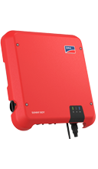 | 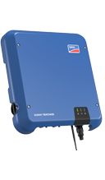 |  | 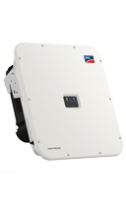 | 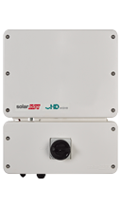 |  | 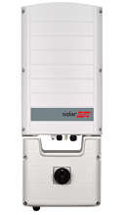 | 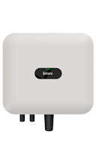 |  | 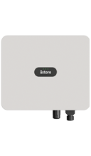 | 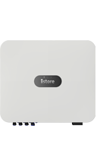 | 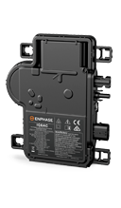 | 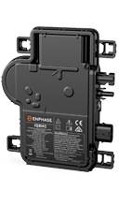 | 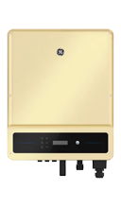 | 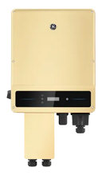
Choose model: | Primo GEN24 5.0 Primo GEN24 6.0 Primo GEN24 8.0 Primo GEN24 10.0 | Primo 4.6-1 Primo 5.0-1 AUS Primo 5.0-1 Primo 6.0-1 Primo 8.2-1 | SYMO 5.0-3-M SYMO 6.0-3-M SYMO 7.0-3-M SYMO 8.2-3-M SYMO 10.0-3-M SYMO 12.5-3-M SYMO 15.0-3-M | SG5.0RS-ADA SG8.0RS-ADA SG10.0RS-ADA | SG5.0RT SG6.0RT SG7.0RT SG8.0RT SG10RT SG12RT SG15RT | GW3000-DNS-30 GW5000-DNS-30 GW6000-DNS-30 | GW5K-DT GW6K-DT GW8K-DT GW10KT-DT GW12KT-DT GW15KT-DT | GW5000-MS GW6000-MS GW8500-MS GW10K-MS | S5-GR1P5K S5-GR1P6K | S5-GR1P7K S5-GR1P8K S5-GR1P9K S5-GR1P10K | S6-GR1P7K2 S6-GR1P8K2 | SigenStor EC 5.0 SP SigenStor EC 6.0 SP SigenStor EC 8.0 SP SigenStor EC 10.0 SP | SigenStor EC 5.0 TP SigenStor EC 10.0 TP SigenStor EC 15.0 TP | SB5.0-1AV-41 SB6.0-1AV-41 | STP5.0-3AV-40 STP6.0-3AV-40 | STP8.0-3AV-40 STP10.0-3AV-40 | Tripower X15 | SE5000H SE6000H | SE8250H SE10000H | SE5K-AUB SE8.25K-AUB SE10K-AUB | IS-HYB-5000-1PH IS-HYB-6000-1PH | IS-HYB-5000-3PH IS-HYB-6000-3PH | IS-HYB-10000-3PH IS-HYB-15000-3PH IS-HYB-25000-3PH | IS-HYB-10000-1PH | IQ8AC-72-M-INT | IQ8HC-72-M-INT | GEP5.0-1C-10 GEP8.5-1-10 GEP10-1-10 | GEP5.0-3-10 GEP8-3-AU10 GEP10-3-AU10 GEP15-3-10
Price (Approx. AUD price RRP inc. GST) | $2300 $2700 $3,000 $3600 | $2200 $2356 $2356 $2967 $3034 | $2500 $2570 $3160 $3560 $3600 $4000 $4100 | $1700 $2200 $2300 | $1780 $1850 $1950 $2100 $2250 $2500 $2600 | $880 $890 $990 | $1300 $1400 $1500 $1800 $1900 $2100 | $1100 $1200 $1300 $1430 | $900 $1000 | $1550 $1650 $1750 $1850 | $1650 $1850 | $1770 $1920 $3270 $3500 | $3000 $3500 $4600 | $1600 $2000 | $2500 $2731 | $3391 $3681 | $5200 | $1,300 $1,500 | $1,500 $1,600 | $2,500 $2,800 $3,100 | $1,700 $1,900 | $2,000 $2,200 | $2,600 $3,000 $3,600 | $2,300 | $210 | $230 | $1,000 $1,500 $1,700 | $1,500 $1,800 $2,000 $2,200
Nominal AC Power (Inverter size) | 5000W 6000W 8000 W 10000 W | 4600W 4600W 5000W 6000W 8200W | 5000W 6000W 7000W 8200W 10000W 12500W 15000W | 4999 W 8000 W 10000 W | 5000 W 6000 W 7000 W 8000 W 10000 W 12000 W 15000 W | 3000 W 5000 W 6000 W | 5000 W 6000 W 8000 W 10000 W 12000 W 15000 W | 5000 W 6000 W 8500 W 10000 W | 5000 W 6000 W | 7000 W 8000 W 9000 W 10000 W | 7000 W 8000 W | 5000 W 6000 W 8000 W 10000 W | 5000 W 10000 W 15000 W | 5000 W 6000W | 5000 W 6000 W | 8000 W 10000 W | 15000W | 5000 W 6000 W | 8250 W 10000 W | 5000 W 8250 W 10000 W | 5000W 6000W | 5000W 6000W | 9,999 W 15,000 W 25,000 W | 10000W | 360W | 380W | 5000 W 8500 W 10000 W | 5000 W 8000 W 10000 W 15000W
Max efficiency (PV to grid) | 97.2% 97.2% 97.3% 97.3% | 98.1% 98.1% 98.1% 98.1% 98.1% | 98% 98% 98% 98% 98% 98% 98% | 97.8% 97.8% 97.8% | 98.40% 98.40% 98.40% 98.50% 98.50% 98.50% 98.50% | 97.9% 97.8% 97.8% | 98.2% 98.2% 98.2% 98.3% 98.3% 98.3% | 97.7% 97.7% 97.7% 97.7% | 97.6% 97.6% | 98.0% 98.0% 98.0% 98.0% | 97.7% 97.7% | 98.0% 98.0% 98.0% 98.0% | 98.0% 98.0% 98.0% | 97.00% 97.00% | 98.20% 98.20% | 98.30% 98.30% | 98.20% | 99.2% 99.2% | 99.2% 99.2% | 97.8% 97.8% 97.8% | 97.5% 97.5% | 97.5% 97.5% | 98.4% 98.4% 98.4% | 97.5% | 97.3 % | 97.4 % | 97.3% 97.5% 97.5% | 97.6% 97.6% 97.6% 97.6%
# of MPPT’s | 2 2 2 2 | 2 2 2 2 2 | 2 2 2 2 2 2 2 | 3 3 3 | 2 2 2 2 2 2 2 | 2 2 2 | 2 2 2 2 2 2 | 3 3 3 3 | 2 2 | 3 3 3 3 | 2 2 | 2 2 3 4 | 2 4 3 | 2 2 | 2 2 | 2 2 | 2 | 2 2 | 2 2 | 2 2 2 | 2 2 | 2 2 | 2 2 2 | 3 | N/A | N/A | 3 3 3 | 2 2 3 2
Dimensions | 530 x 474 x 165 mm 530 x 474 x 165 mm 595 x 529 x 180 mm 595 x 529 x 180 mm | 645 x 431 x 204 mm 645 x 431 x 204 mm 645 x 431 x 204 mm 645 x 431 x 204 mm 645 x 431 x 204 mm | 645 x 431 x 204 mm 645 x 431 x 204 mm 645 x 431 x 204 mm 645 x 431 x 204 mm 725 x 510 x 225 mm 725 x 510 x 225 mm 725 x 510 x 225 mm | 490 * 340 * 170 mm 490 * 340 * 170 mm 490 * 340 * 170 mm | 370 * 480 * 195 mm 370 * 480 * 195 mm 370 * 480 * 195 mm 370 * 480 * 195 mm 370 * 480 * 195 mm 370 * 480 * 195 mm 370 * 480 * 195 mm | 350 * 410 * 143 mm 354 * 433 * 147 mm 354 * 433 * 147 mm | 354 * 433 * 147 mm 354 * 433 * 147 mm 354 * 433 * 155 mm 354 * 433 * 155 mm 354 * 433 * 155 mm 354 * 433 * 155 mm | 511 * 415 * 175 mm 511 * 415 * 175 mm 511 * 415 * 175 mm 511 * 415 * 175 mm | 310 * 543 * 160 mm 310 * 543 * 160 mm | 333 * 579 * 253 mm 333 * 579 * 253 mm 333 * 579 * 253 mm 333 * 579 * 253 mm | 310 * 543 * 180 mm 310 * 543 * 180 mm | 700 x 300 x 260 mm 700 x 300 x 260 mm 700 x 300 x 260 mm 700 x 300 x 260 mm | 700 x 300 x 260 mm 700 x 300 x 260 mm 700 x 300 x 260 mm | 435 mm x 470 mm x 176 mm 435 mm x 470 mm x 176 mm | 435 mm x 470 mm x 176 mm 435 mm x 470 mm x 176 mm | 460 mm x 497 mm x 176 mm 460 mm x 497 mm x 176 mm | 728 x 762 x 266 mm | 450 x 370 x 174 mm 450 x 370 x 174 mm | 540 x 370 x 185 mm 540 x 370 x 185 mm | 775 x 315 x 260 mm 775 x 315 x 260 mm 775 x 315 x 260 mm | 365 x 365 x 156 mm 365 x 365 x 156 mm | 365 x 365 x 156 mm 365 x 365 x 156 mm | 546 x 460 x 228 mm 546 x 460 x 228 mm 546 x 460 x 228 mm | 425 x 376.5 x 150 mm | 212 mm x 175 mm x 30.2 mm | 212 mm x 175 mm x 30.2 mm | 511 × 415 × 175 mm 511 × 415 × 175 mm 511 × 415 × 175 mm | 415 × 511 × 175 mm 415 × 511 × 175 mm 511 × 415 × 175 mm 511 × 415 × 175 mm
Weight | 16.6 kg 16.6 kg 21 kg 21 kg | 21.5 kg 21.5 kg 21.5 kg 21.5 kg 21.5 kg | 19.9 kg 19.9 kg 21.9 kg 21.9 kg 34.8 kg 34.8 kg 43.4 kg | 19 kg 19 kg 19 kg | 18 kg 18 kg 18 kg 18 kg 18 kg 18 kg 21 kg | 12.8 kg 13 kg 13.4 kg | 15 kg 15 kg 16 kg 16 kg 18 kg 18 kg | 22.5 kg 22.5 kg 22.5 kg 22.5 kg | 12 kg 12 kg | 18.5 kg 18.5 kg 18.5 kg 18.5 kg | 13 kg 13 kg | 18 kg 18 kg 36 kg 36 kg | 18 kg 18 kg 36 kg | 16 kg 16 kg | 17 kg 17 kg | 20.5 kg 20.5 kg | 35 kg | 11.4 kg 11.9 kg | 17.6 kg 17.6 kg | 30 kg 30 kg 30 kg | 12 kg 12 kg | 12 kg 12 kg | 21 kg 21 kg 21 kg | 15 kg | 1.1 kg | 1.1 kg | 22.5 kg 22.5 kg 22.5 kg | 20.5 kg 24 kg 24 kg 26 kg
Single phase or three phase? | Single phase | Single phase | Three phase | Single phase | Three phase | Single phase | Three phase | Single phase | Single phase | Single phase | Single phase | Single phase | Three phase | Single phase | Three phase | Three phase | Three phase | Single phase | Single phase | Three phase | Single phase | Three phase | Three phase | Single phase | N/A | N/A | Single phase | Three phase
IP Rating | IP 65 | IP 65 | IP 65 | IP 65 | IP 65 | IP65 | IP65 | IP65 | IP 65 | IP 66 | IP 66 | IP 66 | IP 66 | IP65 | IP65 | IP65 | IP65 | IP 65 | IP 65 | IP 65 | IP 65 | IP 65 | IP 66 | IP 66 | IP 67 | IP 67 | IP 65 | IP 65
Ambient temperature range | '-40°C - +55°C | '-40°C - +55°C | -25 - +60 °C | -25 ℃ to 60 ℃ | -25 ℃ to 60 ℃ | -25 ~ +60 deg C | -30 ~ +60 deg C | -25 ~ +60 deg C | -25 ~ +60°C | -25 ~ +60°C | -25 ~ +60°C | -30 - +60°C | -30 - +60°C | −40 °C to +60 °C | -25 °C to +60 °C | -25 °C to +60 °C | -25 °C to +60 °C | -40ºC to +65ºC | -40ºC to +65ºC | -40ºC to +65ºC | -25°C to 60°C | -25°C to 60°C | -25°C to 60°C | -25°C to 60°C | -40ºC to +65ºC | -40ºC to +65ºC | -25 ~ +60°C | -25 ~ +60°C
Standby consumption | < 10 W | < 1 W | < 5 W | < 3 W | < 3 W |  |  |  |  |  |  |  |  |  |  |  |  |  |  |  | < 2.5W | < 2.5W | < 2.5W | < 2.5W
Network connection | Fronius Solar.web, Modbus TCP SunSpec, Fronius Solar API (JSON) | Fronius Solar.web, Modbus TCP SunSpec, Fronius Solar API (JSON) | Fronius Solar.web, Modbus TCP SunSpec, Fronius Solar API (JSON) | WLAN, Ethernet, RS485, DI, DO | WLAN, Ethernet, RS485, DI, DO | RS485, WiFi, LAN | RS485, WiFi, LAN | RS485, WiFi, LAN | RS485, Optional: Wi-Fi, GPRS | RS485, Optional: Wi-Fi, GPRS | RS485, Optional: Wi-Fi, GPRS | WLAN / Fast Ethernet / RS485 / Sigen CommMod (4G/3G/2G) | WLAN / Fast Ethernet / RS485 / Sigen CommMod (4G/3G/2G) | WLAN, Speedwire / Webconnect | WLAN / Ethernet / RS485 | Modbus (SMA, Sunspec), Webconnect, SMA Data, TS4-R | Speedwire / webconnect | RS485, Ethernet, Wi-Fi | RS485, Ethernet, Wi-Fi | 2 x RS485, Ethernet, Wi-Fi(2), ZigBee for Smart Energy (optional) | RS485; WLAN/Ethernet via Smart Dongle-WLAN-FE; 4G / 3G / 2G via Smart Dongle-4G (Optional) | RS485; WLAN/Ethernet via Smart Dongle-WLAN-FE; 4G / 3G / 2G via Smart Dongle-4G (Optional) | RS485; WLAN/Ethernet via Smart Dongle-WLAN-FE; 4G / 3G / 2G via Smart Dongle-4G (Optional) | RS485; WLAN/Ethernet via Smart Dongle-WLAN-FE; 4G / 3G / 2G via Smart Dongle-4G (Optional) | Power Line Communication (PLC) | Power Line Communication (PLC) | Wi-Fi / RS485 / LAN | Wi-Fi / RS485 / LAN
Warranty | 5 + 5 years | 5 + 5 years | 5 + 5 years | 10 years | 10 years | 10 years | 10 years | 10 years | 10 years | 10 years | 10 years | 10 years | 10 years | 5 + 5 years | 5 + 5 years | 5 + 5 years | 5 years | 12 years | 12 years | 12 years | 10 years (+2 years parts warranty for units installed up to July 2025) | 10 years (+2 years parts warranty for units installed up to July 2025) | 10 years (+2 years parts warranty for units installed up to July 2025) | 10 years (+2 years parts warranty for units installed up to July 2025) | 25 years | 25 years | 5 years | 5 years
Screen? | No | Yes | Yes | Yes | No | Yes | Yes | Yes | Yes | Yes | Yes | No | No | No | No | No | No | No | No | No | No | No | No | No | No | No | Yes | Yes
Built in DC isolator? | Yes | Yes | Yes | Yes | Yes | Yes | TBD | Yes | Yes | Yes | Yes | Yes | Yes | Yes | TBD | TBD | Yes | Yes | Yes | Yes | Yes | Yes | Yes | Yes | N/A | N/A | Yes | TBD
Cooling (passive/fan) | Fan | Fan | Fan | Passive | Passive (Fan on 15kW model) | Passive | Passive up to 6kW, fan from 6-15kW | Passive | Passive | Passive | Passive | Passive | Passive | Passive | Passive | Passive | Passive | Passive | Passive | Passive | Passive | Passive | Passive | Passive | Passive | Passive | Passive | Passive
Noise (db) |  | TBD | TBD | < 30 dB | < 35 dB |  |  |  | < 30 dB | < 30 dB | < 30 dB |  |  | 25 dB | 30 dB(A) | 30 dB(A) | 59 dB(A) |  |  |  |  |  |  |  |  |  |  | TBD
Datasheet Supplied? | Yes | Yes | Yes | Yes | Yes | Yes | Yes | Yes | Yes | Yes | Yes | Yes | Yes | Yes | Yes | Yes | Yes | Yes | Yes | Yes | Yes | Yes | Yes | Yes | Yes | Yes | Yes | Yes
Warranty Supplied? | Yes | Yes | Yes | Yes | Yes | Yes | Yes | Yes | Yes | Yes | Yes | Yes | Yes | Yes | Yes | Yes | Yes | Yes | Yes | Yes | Yes | Yes | Yes | Yes | Yes | Yes | Yes | Yes
More information on brand | Here | Here | Here | Here | Here | Here | Here | Here | Here | Here | Here | Here | Here | Here | Here | Here | Here | Here | Here | Here | Here | Here | Here | Here | Here | Here | Here | Here

