Worksheet
Generated by SolarQuotes.com.au: | Latest version here
Product Name | Sungrow SHRS 5-6 kW | Sungrow SHRS 8-10 kW | Sungrow SH-RT | Sungrow SH-T | Fronius Gen24 PLUS SYMO | Fronius Gen24 PLUS PRIMO | GoodWe EHB Series | GoodWe EHA series | GoodWe ET G2 Series | Solis S6 Series | Sigenergy Energy Controller (single-phase) | Sigenergy Energy Controller (three-phase) | SolaX X1-VAST | SolaX X3-HYBRID G4 | Fox-ESS H1 | Fox-ESS KH | Fox-ESS H3 Smart | iStore Hybrid Single Phase (5-6kW) | iStore Hybrid Single Phase (10kW) | iStore Hybrid Three Phase (5-6 kW) | iStore Hybrid Three Phase (10-25 kW) | SolarEdge Home Hub Universal (single phase) | SolarEdge Home Hub (three phase) | GE H Series
Manufacturer Logo
Product Image | 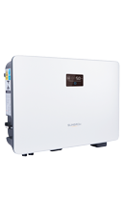 |  | 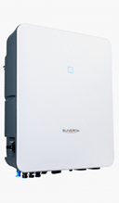 | 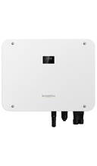 | 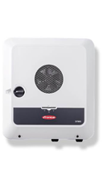 | 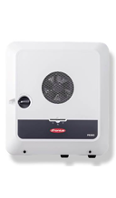 | 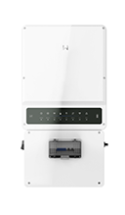 |  | 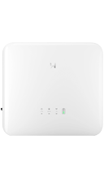 | 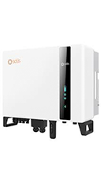 | 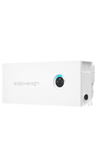 |  | 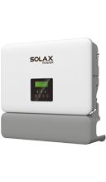 | 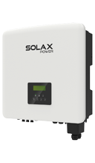 | 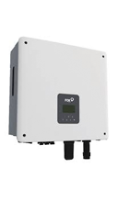 | 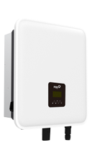 | 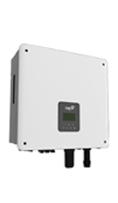 | 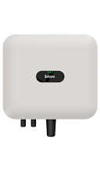 | 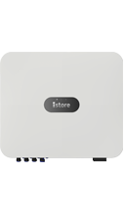 | 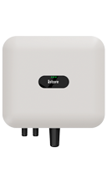 | 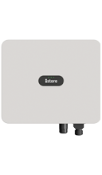 | 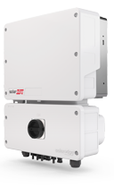 | 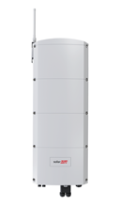 | 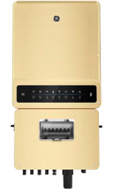
Choose model: | SH5.0RS SH6.0RS | SH8.0RS SH10.0RS | SH5.0RT SH6.0RT SH8.0RT SH10.0RT | SH15T SH20T SH25T | Symo GEN24 5.0 Plus Symo GEN24 6.0 Plus Symo GEN24 8.0 Plus Symo GEN24 10.0 Plus | Primo GEN24 5.0 Plus Primo GEN24 6.0 Plus | GW5K-EHB-AU-G11 GW8.6K-EHB-AU-G11 GW9.99K-EHB-AU-G11 | GW5K-EHA-G20 GW10K-EHA-G20 | GW6000-ET-20 GW8000-ET-20 GW9900-ET-20 GW12K-ET-20 GW15K-ET-20 | S6-EH3P5K-H-AU S6-EH3P6K-H-AU S6-EH3P8K-H-AU S6-EH3P10K-H-AU | SigenStor EC 5.0 SP SigenStor EC 6.0 SP SigenStor EC 8.0 SP SigenStor EC 10.0 SP SigenStor EC 12.0 SP | SigenStor EC 5.0 TP SigenStor EC 10.0 TP SigenStor EC 15.0 TP SigenStor EC 25.0 TP SigenStor EC 30.0 TP | X1-VAST-5K X1-VAST-8K X1-VAST-10K | X3-HYBRID-5.0-D X3-HYBRID-10.0-D X3-HYBRID-15.0-D | H1-5.0-E-G2 H1-6.0-E-G2 | KH-8.0 KH-10.0 | H3-5.0 H3-6.0 H3-8.0 H3-10.0 H3-15.0 | IS-HYB-5000-1PH IS-HYB-6000-1PH | IS-HYB-10000-1PH | IS-HYB-5000-3PH IS-HYB-6000-3PH | IS-HYB-10000-3PH IS-HYB-15000-3PH IS-HYB-25000-3PH | SE5000H-MM SE6000H-MM SE8250H-MM SE10000H-MM | SE10K-RWB48 | GEH5.0-1U-10 GEH8.6-1U-10 GEH10-1U-10
Price (Approx. AUD price RRP inc. GST) | $2,400 $2,600 | $3,400 $3,600 | $3,800 $3900 $4250 $4620 | $5,570 $6900 $8600 | $3,630 $4,200 $4900 $5200 | $3,300 $3,700 | $2,400 $2,800 $3,000 | $2,000 $2,800 | $2,600 $2,800 $3,000 $3,400 $3,500 | $2,500 $2,700 $3,000 $3500 | $1770 $1920 $3270 $3500 $3800 | $3000 $3500 $4600 $6000 $6700 | $2,300 $3,000 $3,300 | $2,400 $3,200 $3,500 | $1,800 $2,100 | $2,600 $3,000 | $2,800 $3,000 $3,300 $3,600 $4,100 | $1,700 $2,500 | $2,300 | $2,000 $2,600 | $2,600 $3,000 $3,600 | $2,000 $2,300 $2,900 $3,100 | $3,000 | $2,500 $3,500 $3,700
Nominal AC Power (Inverter size) | 4999W 6000W | 8000W 9999W | 5000W 6000W 8000W 10000W | 15000W 20000W 25000W | 5000W 6000W 8000W 10000W | 5000W 6000W | 5000W 8600W 10000W | 5000W 9900W | 6000W 8000W 9900W 12000W 15000W | 5000 W 6000 W 8000 W 10000 W | 5000 W 6000 W 8000 W 10000 W 12000 W | 5000 W 10000 W 15000 W 25000 W 30000 W | 5000W 8000W 10000W | 5000W 10000W 15000W | 5000 W 6000 W | 8000 W 10000 W | 5000 W 6000 W 8000 W 10000 W 15000 W | 5000W 6000W | 10000W | 5000W 6000W | 9,999 W 15,000 W 25,000 W | 5000W 6000W 8250W 10000W | 10000W | 5000 W 8600 W 9600 W
Max battery output power | 4999W 6000W | 10000W 10000W | 6000W 7200W 10600W 10600W | 15000W 20000W 25000W | 5000W 6000W 8000W 10000W | 5000W 6000W | 5000W 8600W 10000W | 5500W 11000W | 6600W 8800W 11000W 13200W 16500W | 5000 W 6000 W 8000 W 10000 W | 5000 W 6000 W 8000 W 10000 W 12000 W | 5000 W 10000 W 15000 W 25000 W 30000 W | 4999W 8000W 10000W | 4999W 1000W 15000W | 5000 W 6000 W | 8000 W 10000 W | 5000 W 6000 W 8000 W 10000 W 15000 W | 5000W 5000W | 9999W | 5000W 6000W | 9,999 W 16,500 W 25,000 W | 5000W 6000W 7500W 9000W | 5000W | 5250 W 9030 W 10080 W
PV Input Power | 12000W 13000W | 16000W 20000W | 7500W 9000W 12000W 15000W | 30000W 40000W 50000W | 5220W 6220W 8260W 10300W | 5170W 6200W | 10000W 17200W 20000W | 10000W 20000W | 9600W 12800W 16000W 19200W 24000W | 8000 W 9600 W 12800 W 16000 W | 10000 W 12000 W 16000 W 20000 W 24000 W | 8000 W 16000 W 24000 W 40000 W 48000 W | 10000W 16000W 20000W | 10000W 20000W 20000W | 7500 W 9000 W | 12000 W 15000 W | 7500 W 9000 W 12000 W 15000 W 22500 W | 12,500 W 15,000 W | 25,000 W | 12,500 W 15,000 W | 25,000 W 37,500 W 62,500 W | 15000W 18000W 22000W 22000W | 20000W | 7500 W 12900 W 15000 W
Max battery charge power | 4999W 6000W | 10000W 10000W | 7500W 9000W 10600W 10600W | 30000W 30000W 25000W | 5000W 6000W 8000W 10000W | 5000W 6000W | 5000W 8600W 10000W | 7500W 13500W | 9000W 12000W 15000W 18000W 24000W | 5000 W 6000 W 8000 W 10000 W | 5000 W 6000 W 8000 W 10000 W 12000 W | 5000 W 10000 W 15000 W 25000 W 30000 W | 5000W 8000W 10000W | 5000W 10000W 15000W | 5000 W 6000 W | 8000 W 10000 W | 5000 W 6000 W 8000 W 10000 W 15000 W | 5000W 5000W | 10000W | 10000W 10000W | 21,000 W 21,000 W 21,000 W | 5000W 6000W 7500W 9000W | 5000W | 5000 W 8600 W 9600 W
Does backup? | Yes - Level 3 | Yes - Level 3 | Level 3 - 3.3kW per phase | Level 3 | Level 3 | Level 3 | Yes - Level 3 | Yes - Level 3 | Yes | Yes | Yes | Yes | Yes | Yes | Yes - level 3 | Yes - level 3 | Yes - level 3 | Level 3 with optional backup box | Level 3 with optional backup box | Level 3 with optional backup box | Level 3 with optional backup box | Yes | Yes | Yes
Single phase or three phase? | Single phase | Single phase | Three phase | Three phase | Three phase | Single phase | Single phase | Single phase | Three phase | Three phase | Single phase | Three phase | Single phase | Three phase | Single phase | Single phase | Three phase | Single Phase | Single Phase | Three Phase | Three Phase | Single Phase | Three Phase | Single phase
# of MPPT’s | 2 | 4 | 2 | 3 | 2 | 2 | 4 | 2-4 | 2-3 | 3/4 | 2-4 | 2-4 | 4 | 2 | 2 | 2 | 2 | 2 | 3 | 2 | 2 | N/A – Optimiser | N/A – Optimiser | 4
Dimensions | 490 x 340 x 170 mm | 605 x 435 x 181 mm | 46 cm x 54 cm x 17cm | 620 mm x 480 mm x 245 mm | 595 x 529 x 180 mm | 530 x 474 x 165 mm | 415 × 791 × 180 mm | 516 x 832 x 290 mm | 496 × 460 × 221 mm | 600 x 500 x 230 mm | 700 x 300 x 260 mm | 700 x 300 x 260 mm | 590 × 400 × 180 mm | 503 × 199 × 503 mm | 434 x 418 x 185 mm | 450 x 527 x 208 mm | 449 x 519 x 198 mm | 365 x 365 x 156 mm | 425 x 376.5 x 150 mm | 525 x 470 x 166 mm | 546 x 460 x 228 mm | 540 x 370 x 185 mm | 907 x 317 x 192 mm | 415 × 791 × 175
Weight | 18.5 kg | 29 kg | 27kg | 38kg | 24kg | 16.6 kg | 33 kg | 48 kg | 25 kg | 32.6 kg | 36 kg | 36 kg | 28 kg | 30 kg | 22 kg | 29 kg | 28 kg | 12 kg | 15 kg | 17 kg | 21 kg | 15kg | 37kg | 32.3
IP Rating | IP65 | IP65 | IP65 | IP65 | IP66 | IP66 | IP 65 | IP 66 | IP 66 | IP 66 | IP 66 | IP 66 | IP 66 | IP 65 | IP 65 | IP 65 | IP 65 | IP 65 | IP 66 | IP 65 | IP 66 | IP 65 | IP 65 | IP 65
Ambient temperature range | -25 to 60°C | -25 to 60°C | -25 to 60°C | -25 to 60°C | -25 - 60 °C | -25 - 60 °C | -25 to 60°C | -20 to 60°C | -35 to 60°C | -25 ~ +60°C | -30 - +60°C | -30 - +60°C | -35 to 60°C | -35 to 60°C | -25 to +60°C | -25 to +60°C | -25 to +60°C | -25°C to 60°C | -25°C to 60°C | -25°C to 60°C | -25°C to 60°C | -40 to 60°C | -40 to 60°C | -35 ~ +60°C
Max efficiency | 97.7% | 97.4% | 98.0% | 98.1% | 97.8% | 97.2% | 97.6% | 97.5% | 98% | 97.87 % | 98.0% | 98.0% | 97.6% | 98.0% | 97.8% | 97.8% | 98.0% | 97.5% | 97.5% | 97.5% | 98.4% | 99.2% | 98% | 97.6%
Standby consumption |  |  |  |  | < 10W | < 10W |  |  |  |  |  |  |  |  | < 15 W | < 15 W | < 15 W | < 2.5W | < 2.5W | TBD | TBD
Product warranty length | 10 years | 10 years | 10 years | 10 years | 5+5 years | 5+5 years | 10 years | 10 years | 10 years | 10 years | 10 years | 10 years | 10 years | 10 years | 10 years | 10 years | 10 years | 10 years (+2 years parts warranty for units installed up to July 2025) | 10 years (+2 years parts warranty for units installed up to July 2025) | 10 years (+2 years parts warranty for units installed up to July 2025) | 10 years (+2 years parts warranty for units installed up to July 2025) | 12 years | 12 years | 5 years
Compatible with what battery brands? | Sungrow | Sungrow | Sungrow, others TBD | Sungrow | BYD B-Box | BYD B-Box | TBD | Goodwe | Goodwe | Many - Solis website has full list | Sigenergy | Sigenergy | SolaX | SolaX | Fox-ESS | Fox-ESS | Fox-ESS | iStore | iStore | iStore | iStore | SolarEdge | SolarEdge | BYD, LG, Goodwe
Datasheet Supplied? | Yes | Yes | Yes | Yes | Yes | Yes | Yes | Yes | Yes | Yes | Yes | Yes | Yes | Yes | Yes | Yes | Yes | Yes | Yes | Yes | Yes | Yes | Yes | Yes
Warranty Supplied? | Yes | Yes | Yes | Yes | Yes | Yes | Yes | Yes | Yes | Yes | Yes | Yes | Yes | Yes | Yes | Yes | Yes | Yes | Yes | Yes | Yes | Yes | Yes | Yes
More information on brand | Here | Here | Here | Here | Here | Here | Here | Here | Here | Here | Here | Here | Here | Here | Here | Here | Here | Here | Here | Here | Here | Here | Here | Here

