Worksheet
Generated by SolarQuotes.com.au: | Latest version here
Product Name | Solahart Silhouette series | Solahart SunCell series | SolarEdge Smart Panel | Canadian Solar Inc TOPHiKu 6 | Trina Solar Vertex S+ (475W) | SunPower P7 | SunPower Maxeon 3 (black) | SunPower Maxeon 3 | Jinko Solar Tiger Neo III | JA Solar Deep Blue 4.0 Pro | Aiko Neostar 2S+ | Aiko Neostar 3S | Aiko Neostar 3P | Aiko Neostar 2P | REC Alpha Pure-RX | REC Alpha Pure-R | Longi Hi-MO X10 Explorer | TW MNH-48HE | TWMNH-48HD | Tindo Walara | Suntech Ultra V Pro (N-type) 440W | Suntech Ultra V Pro (N-type) 415W | Suntech Ultra V Pro (P-type) | Winaico WST-NGX-D3 | Phono Solar Quasar | Phono Solar Helios Clear | Risen TOPCon
Manufacturer Logo
Product Image | 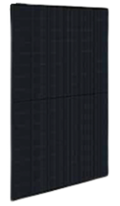 | 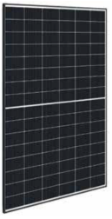 | 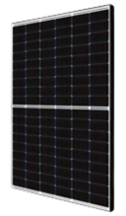 | 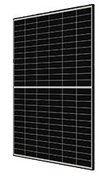 | 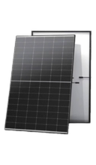 |  |  | 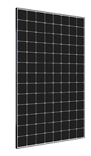 | 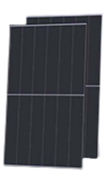 | 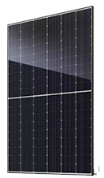 | 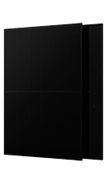 | 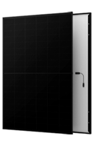 | 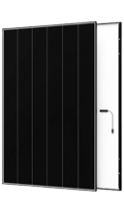 | 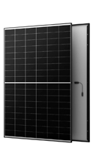 | 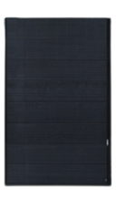 | 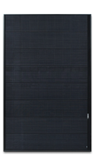 | 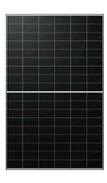 |  | 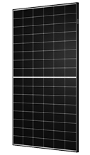 | 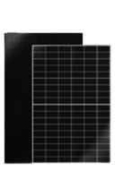 | 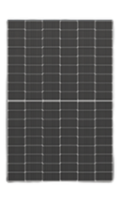 | 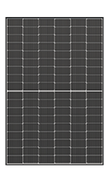 | 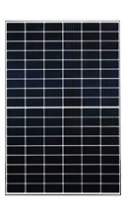 | 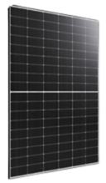 | 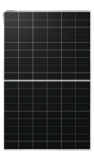 | 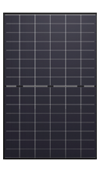 | 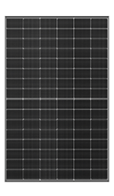
Choose model: | SOLAHART455BRB3 | SOLAHART440BR3 | SPV415-R54JWML | CS6.2-48TD-475 | TSM-475NEG9RH.28 | SPR-P7-440-BLK-1500 SPR-P7-445-BLK-1500 SPR-P7-450-BLK-1500 SPR-P7-455-BLK-1500 | SPR-MAX3-415-BLK-R | SPR-MAX3-390 SPR-MAX3-395 SPR-MAX3-400 | JKM475N-48QL6-DV-F2-OC | JAM54D40-475 | AIKO-A465-MAH54Mb | AIKO-A490-MCE54Mb | AIKO-A500-MCE54Mw | AIKO-A470-MAH54Mw | REC460AA Pure-RX | REC400AA Pure-R REC410AA Pure-R REC420AA Pure-R REC430AA Pure-R | LR7-54HVH-475M | TWMNH-48HE | 48HD440 | Walara-440G4P | STP4405-C54/Nshm | STP415S-C54/Nshm | STP395S-C54/Umhm STP400S-C54/Umhm STP405S-C54/Umhm STP410S-C54/Umhm STP415S-C54/Umhm | WST-450NGX-D3 | PS475L7GFH-18/VBH | PS440L12GFH-16/QSH | RSM96-11-475BNDG
Approx cost per panel – AUD Retail incl GST | $165 | $140 | $207 | $130 | $150 | $145 | $200 | $190 | $175 | $155 | $159 | $215 | $220 | $149 | $280 | $255 | $175 | $120 | $100 | $191 | $130 | $130 | $120 | $198 | $175 | $200 | $140
Approx Cost per Watt – AUD Retail incl GST | $0.36 | $0.32 | $0.50 | $0.30 | $0.32 | $0.33 | $0.48 | $0.48 | $0.36 | $0.33 | $0.34 | $0.43 | $0.44 | $0.32 | $0.61 | $0.62 | $0.36 | $0.27 | $0.23 | $0.43 | $0.30 | $0.30 | $0.29 | $0.44 | $0.37 | $0.46 | $0.30
Wattage | 455W | 440W | 415W | 475W | 475W | 440W 445W 450W 455W | 415W | 390W 395W 400W | 475W | 475W | 465W | 490W | 500W | 470W | 460W | 400W 410W 420W 430W | 475W | 470W | 440W | 440W | 440W | 415W | 390W 400W 405W 410W 415W | 450W | 475W | 440W | 475W
Panel efficiency (%) | 22.8% | 22.0% | 21.25% | 22.5% | 23.8% | 21.7% 21.9% 22.2% 22.4% | 21.9% | 22.1% 22.3% 22.6% | 23.77% | 23.8% | 23.3% | 24.5% | 25.0% | 23.6% | 22.1% | 20.7% 21.2% 21.8% 22.3% | 23.3% | 23.5% | 22.0% | 22.6% | 22.5% | 21.3% | 20.2% 20.5% 20.7% 21.0% 21.3% | 23.0% | 23.27% | 22.02% | 23.8%
Country of manufacture | China | China | China | China | China | China | Malaysia/Mexico | Malaysia/Mexico | China | China | China | China | China | China | Singapore | Singapore | China | China | China | Australia | China | China | China | China | China | China | China
Company origin | Australia | Australia | Israel | China | China | Singapore | Singapore | Singapore | China | China | China | China | China | China | Norway (now owned by India's Reliance group) | Norway (now owned by India's Reliance group) | China | China | China | Australia | China | China | China | Taiwan | China | China | China
Panel weight | 24.5kg | 24.5kg | 21.4kg | 24.6kg | 21.0kg | 24.8kg | 21.2kg | 19kg | 21.5kg | 22kg | 24.5kg | 20.6kg | 21.1kg | 21.5kg | 23.4kg | 21.5kg | 21.6kg | 22.8kg | 20.9kg | 21kg | 21.0kg | 21.0kg | 21.0kg | 21.4kg | 23.5kg | 22.0kg | 21.5kg
Temperature coefficient (Pmax) | -0.29%/°C | -0.29%/°C | -0.34%/°C | -0.29%/°C | -0.29%/°C | -0.29%/°C | -0.27%/°C | -0.27%/°C | -0.26%/°C | -0.29%/°C | -0.26%/°C | -0.26%/°C | -0.26%/°C | -0.26%/°C | -0.24%/°C | -0.26%/°C | -0.26%/°C | -0.28%/°C | -0.28%/°C | -0.30%/°C | -0.29%/°C | -0.30%/°C | -0.36%/°C | -0.30%/°C | -0.26%/°C | -0.24%/°C | -0.29%/°C
Salt mist corrosion level | IEC 61701 certified, level 6 | IEC 61701 certified, level 6 | TBD | IEC 61701 certified, level 1 | IEC 61701 certified, level unknown | IEC 61701 certified, level 8 | IEC 61701 certified, level 6 | IEC 61701 certified, level 6 | IEC 61701 level 6 | IEC 61701 certified, level 6 | IEC 61701 level 6 | IEC 61701 level 6 | IEC 61701 level 6 | IEC 61701 level 6 | IEC 61701 certified, level 6 | IEC 61701 certified, level 6 | No data | IEC 61701 certified, level 8 | IEC 61701 certified, level 8 | IEC 61701 certified, level 8 | IEC 61701 level 6 | IEC 61701 level 6 | IEC 61701 level 6 | IEC 61701 certified, level 6 | IEC 61701 certified, level 6 | IEC 61701 certified, level 6 | IEC 61701 level 1 claimed
Front load resistance | 5400Pa | 5400Pa | 5400Pa | 5400Pa | 5400Pa | 6000Pa | 5400Pa | 5400Pa | 5400Pa | 5400Pa | 5400Pa | 5400Pa | 5400Pa | 5400Pa | 7000Pa | 7000Pa | 5400Pa | 5400Pa | 5400Pa | 5400Pa | 5400Pa | 5400Pa | 5400Pa | 5400Pa | 5400Pa | 5400Pa | 5400Pa
Rear load/wind resistance | 4000Pa | 4000Pa | 2400Pa | 3600Pa | 4000Pa | 4000Pa | 3600Pa | 3600Pa | 2400Pa | 2400Pa | 2400Pa | 2400Pa | 2400Pa | 2400Pa | 4000Pa | 4000Pa | 2400Pa | 2400Pa | 2400Pa | 2400Pa | 3800Pa | 3800Pa | 3800Pa | 2400Pa | 2400Pa | 2400Pa | 2400Pa
Product warranty length | 30 years | 25 years | 25 years | 25 years | 25 years | 30 years | 40 years | 40 years | 25 years | 25 years | 25 years | 25 years | 25 years | 25 years | 25 years | 25 years | 15 years | 25 years | 25 years | 25 years | 25 years | 25 years | 25 years | 30 years | 30 years | 30 years | 25 years
Warranted annual performance degradation year 2-25 | 0.4% per year | 0.4% per year | 0.55% loss each year | 0.4% per year | 0.4% per year | 0.4% per year | 0.25% per year | 0.25% per year | 0.4% loss each year | 0.4% per year | 0.35% loss each year | 0.35% loss each year | 0.35% loss each year | 0.35% loss each year | 0.25% per year | 0.25% per year | 0.35% per year | 0.4% | 0.4% | 0.4% per year | 0.4% per year | 0.4% per year | 0.4% per year | 0.4% per year | 0.35% per year | 0.375% per year | 0.4% per year
Power output warranted at year 25 | 89.4% | 89.4% | 84.8% | 92.4% | 89.4% | 89.40% | 92% | 92% | 89.4% | 89.4% | 90.6% | 90.6% | 90.6% | 90.6% | 92% | 92% | 88.90% | 87.4% | 87.4% | 87.4% | 89.4% | 89.4% | 89.4% | 89.4% | 90% | 90% | 89.4%
Does warranty include labour costs for removal and reinstallation of panels? | Yes | Yes | Yes | Yes | No | Yes | Yes | Yes | Yes | No | Yes | Yes | Yes | Yes | Yes – (If the original installer was a REC certified partner) | Yes – (If the original installer was a REC certified partner) | Yes | No | No | Yes - but only in capital cities | Yes | Yes | Yes | Yes | Yes | Yes | Yes
Datasheet Supplied? | Yes | Yes | Yes | Yes | Yes | Yes | Yes | Yes | Yes | Yes | Yes | Yes | Yes | Yes | Yes | Yes | Yes | Yes | Yes | Yes | Yes | Yes | Yes | Yes | Yes | Yes | Yes
Warranty Supplied? | Yes | Yes | Yes | Yes | Yes | Yes | Yes | Yes | Yes | Yes | Yes | Yes | Yes | Yes | Yes | Yes | Yes | Yes | Yes | Yes | Yes | Yes | Yes | Yes | Yes | Yes | Yes
More information on brand | Here | Here | Here | Here | Here | Here | Here | Here | Here | Here | Here | Here | Here | Here | Here | Here | Here | Here | Here | Here | Here | Here | Here | Here | Here | Here | Here

