Worksheet
Generated by SolarQuotes.com.au: | Latest version here
Product Name | Tesla Gen 3 Wall Connector | Fronius Wattpilot | myenergi Zappi | GoodWe HCA Series | Sungrow AC22E-01 | SolarEdge ONE EV Charger | Sigenergy AC EV Charger | Sigenstor EV DC charging module | Victron EV Charging Station | Evnex E2 | Ohme Home Pro | Ohme ePod | Wallbox Pulsar Max | Wallbox Pulsar Plus | iStore EV Charger | Delta AC MAX (smart) | Delta AC MAX (basic) | Smappee EV Wall | Teltonika TeltoCharge | Enphase IQ EV Charger 2 | ABB Terra Wallbox | EO Mini Pro 2 | EO Basic | Schneider Charge | ZJ Beny AC EV Charger | Ocular IQ Solar | Ocular LTE | Scame BE-W Net | Soltaro EV Charger | Weidmuller AC SMART | EVOS Fleet22 | EVOS SB7 | Anker Solix V1 Smart EV Charger
Manufacturer Logo
Product Image |  | 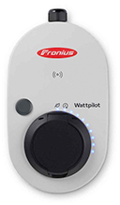 | 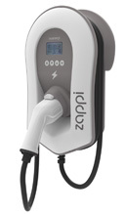 | 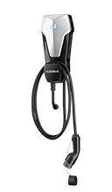 | 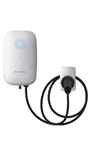 | 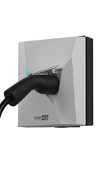 | 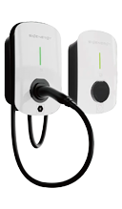 | 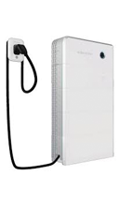 | 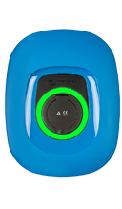 | 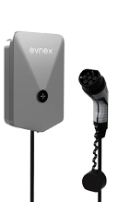 | 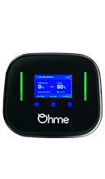 | 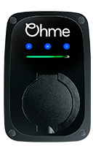 |  |  | 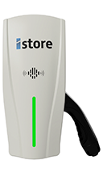 | 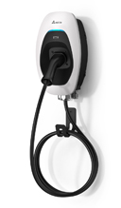 |  | 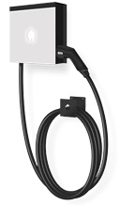 | 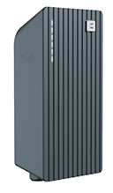 | 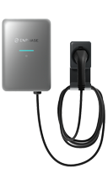 | 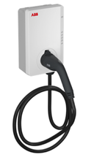 | 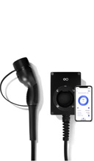 | 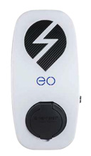 | 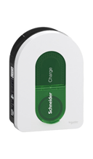 | 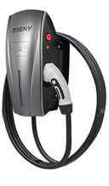 | 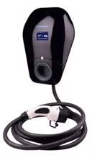 | 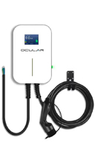 | 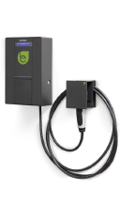 | 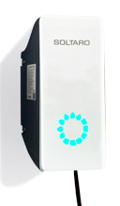 | 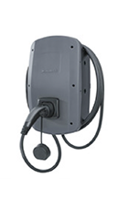 | 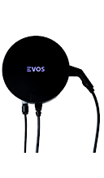 | 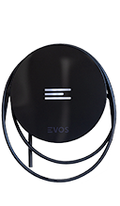 | 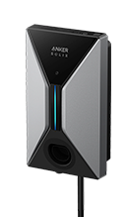
Product variant | Gen 3 Wall Connector | WATTPILOT HOME 22 J | Zappi single-phase Zappi three-phase | GW7K-HCA GW11K-HCA GW22K-HCA | AC22E-01 | EVN22B EVN22P | Sigen EVAC 7 Sigen EVAC 11 Sigen EVAC 22 | SigenStor EVDC 12.5 SigenStor EVDC 25 | EV Charging Station | E2-25SN | HP5-07AU-WI-BLSTD-01 | EP0-07AU-WI-BLSTD-01 | Pulsar Max single phase Pulsar Plus three phase | Pulsar Plus single phase Pulsar Plus three phase | IS-EVC-7400-1PH IS-EVC-22000-3PH | AC MAX Single Phase AC MAX Three Phase | AC MAX Single Phase AC MAX Three Phase | EV Wall single-phase EV Wall three-phase | EVC 100 EVC 110 EVC 120 | IQ-EVSE-EU-3032-0105-1300 | Terra AC W7 Terra AC W11 Terra AC W22 | Mini Pro 2 | Basic single-phase Basic three-phase | Schneider Charge | AC EV Charger - Single Phase AC EV Charger - Three Phase | IOCAH10R-7S / IOCAH10R-7T IOCAH10R-22S / IOCAH10R-22T | OC20-BC-7.2KW OC20-BC-22KW | BE-W Net Single Phase BE-W Net Three Phase | 7kW 22kW | CH-W-S-A7.4-P-E CH-W-S-A11-P CH-W-S-A22-P | Fleet22 | SB7 | V1-7.4 V1-22
Price (Approx. AUD price RRP inc. GST) | $800 | $1,800 | $1,595 $1,895 | $850 $950 $1100 | $950 | $1,200 $1,750 | $1,200 $1,300 $1,500 | $6,700 $8,600 | $1,000 | $1,395 | $1,395 | $1,199 | $1,400 $1,650 | $1,549 $1,649 | $1,200 $1,500 | $1,990 $2,290 | $1,590 $1,890 | $1,729 $2,229 | $1,450 $1,750 $2,000 | $2,048 | $2,000 $2,300 $2,400 | $1,495 | $1,400 $1,600 | $1,500 | $750 $1000 | $1,400 $1,550 | $899 $1,200 | $1,800 $2,100 | $1,050 $1,450 | $800 $1600 $1800 | $1,800 | $1,400 | $800 $1000
Single phase or three phase? | Both | Both | Single-phase Three-phase | Single phase Three phase Three Phase | Both | Both Both | Single phase Three phase Three phase | Both Both | Both | Single-phase | Single phase | Single phase | Single-phase Three-phase | Single-phase Three-phase | Single phase Three phase | Single-phase Three-phase | Single-phase Three-phase | Single-phase Three-phase | Single phase Three phase Three phase | Both | Single phase Three phase Three phase | Single-phase | Single-phase Three-phase | Both | Single phase Three phase | Single-phase Three-phase | Single-phase Three-phase | Single phase Three phase | Single phase Three phase | Single phase Three phase Three phase | Both | Single phase | Single phase Three phase
Rated power | 7 kW (1 ph), 22 kW (3 ph) | 22 kW | 7 kW 22 kW | 7 kW 11 kW 22 kW | 22kW | 22 kW 22 kW | 7 kW 11 kW 22 kW | 12.5 kW 25 kW | 22kW | 7.4 kW | 7.4 kW | 7.4 kW | 7.4 kW 22 kW | 7.4 kW 22 kW | 7.4 kW 22 kW | 7.4 kW 22 kW | 7.4 kW 22 kW | 7 kW 22 kW | 7.4 kW 11kW 22kW | 22kW | 7.4 kW 11 kW 22 kW | 7.2 kW | 7 kW 22 kW | 7-22 kW | 7.4kW 22 kW | 7 kW 22 kW | 7.6 kW 22 kW | 7.4 kW 22 kW | 7kW 22kW | 7kW 11kW 22kW | 7-22kW | 7.36 kW | 7.4kW 22kW
Rated current | 32A per phase | 6-32 A | 32A max 32A max | 32 A 16 A 32 A | 32A | 32A 32A | 32A 16A 32A | 40A 80A | 32A | 32 A | 32A | 32A | 32 A 32 A | 32 A 32 A | 32A 32A | 32 A 32 A | 32 A 32 A | 32 A 32 A | 32A 16A 32A | 32A | 32A 16A 32A | 32 A | 32 A 32 A | 16-32 A | 32A 32A | 32 A 32 A | 32 A 32 A | 32A 32A | 32A 32A | 32A 16A 32A | 32A | 32A | 32A 32A
Country of manufacture | China | Austria | United Kingdom | China | China | China | China | China | Netherlands | New Zealand | China | China | Spain | Spain | China | Unknown - manufacturer unresponsive | Unknown - manufacturer unresponsive | Belgium | Lithuania | TBD | Italy | United Kingdom | United Kingdom | China | China | China | China | Italy | China | Germany | Australia | Australia | China
Enclosure dimensions | 345 x 155 x 110 mm | 155 x 110 x 260 mm | 439 x 282 x 122mm | 208 × 450 × 150 | 214 x 346 x 125 mm | 235 x 230 x 130 mm | 234 x 384 x 126 | 700 x 270 x 260 | 390 x 300 x 150 mm | 286 x 185 x 66 mm | 200 x 170 x 100 mm | 230mm x 150mm x 140mm | 204 x 313 x 142 mm | 166 x 163 x 82 mm | 380 x 169 x 151 mm | 218 x 371 x 167 mm | 218 x 371 x 167 mm | 300 × 300 × 110 mm | 170 mm x 341 mm x 94 mm | 370 × 250 × 118 mm | 320 x 195 x 110 mm | 175mm x 125mm x 125mm | 360mm x 165mm x 155mm | 352 x 244 x 117 mm | 169 x 380 x 151 mm | 269 x 360 x 146 mm | 295 x 195 x 65 mm | 235 x 370 x 115 mm | 368 x 168 x 215 mm | 268 x 433 x 150 mm | 380 x 100mm | 320 x 90mm | 211 x 360 x 120 mm
Weight | 6.8 kg | 2 kg | 5.5 kg | 6 kg | 6.6 kg | 1.8 kg | 6.4 kg | 40 kg | 3 kg | 2.3 kg | 4 kg | 1.5 kg | 2.5 kg | 2 kg | 7 kg | 3.8 kg | 3.8 kg | 9.8 kg | 2.8 kg | 11 kg | 6.5 kg | 1.3 kg | 1.3 kg | 3.2 kg | 9 kg | 7.6 kg | 8 kg | 6.2 kg | 8 kg | 5.1 kg | 6.5 kg | 3.5 kg | 4.95 kg
PIN/physical lock? | No | Yes | Yes | Yes | No | Yes | RFID | RFID | Unknown - manufacturer unresponsive | No | No | No | Yes | Yes | No | No | Yes | Unknown - manufacturer unresponsive | Card authorisation | No | No | Unknown - manufacturer unresponsive | Yes | Yes | Yes | Yes | Unknown - manufacturer unresponsive | No | Optional | RFID on "Value" and "Advanced" models | Lock via app/VID to authorised user | Lock via app/VID to authorised user | No
Multi-user support | Yes | No | No | Yes | No | Yes | No | No | No | Yes | Yes | Yes | Yes (Super-user can create multiple user profiles for different people) | Yes (Super-user can create multiple user profiles for different people) | Yes | Yes (RFID card) | Yes | Yes | Yes | Yes | No | No | No | No | Yes | Yes | No | Yes | Optional | On "Advanced" model | Yes | Yes | No
Charge cable length | 7.3 meters | N/A | 6.5 meters | 6 meters | 5m / 7m | N/A | 5 m | 5 / 7.5 m | N/A | 5 meter, 8 meter | 5m / 8m | Untethered | 5 meters (optional 7 meters) | 5 meters (optional 7 meters) | 7 meters | 5 meters | 5 meters | 8 meters | 5m | 7.5 m | 5m or 7.6m | 5 meters | N/A | Untethered, 5m cable or 7m cable | 6 meters | 5 meters | 5 meters | 4m (single phase) 4m/7.5m (three phase) | 6m default | 5m, 7m, 10m | 5 or 6 meters | Up to 5m (Standard) other lengths optional | 7 meters
Display | No | No | Yes | No | LED | No | LED | LED | Yes | Yes | Yes - LCD Screen and LED charging status bar | Yes – LED charging status bar | No | No | LED | No | No | No | No | LED | Yes | No | No | Yes (LEDs) | Yes - charging indicator | Yes | Yes | Yes | LEDs | No | LED colour status | LED colour status | LED
Standby power consumption | < 5W | < 5W | 3W |  |  |  |  |  |  |  |  |  | 5W | 5W | 2W | < 2.6 W | < 2.6 W | < 5W | 4W |  |  | < 5W | < 5W |  | < 5W | Unknown - manufacturer unresponsive | < 8W |  | 2W
Charging modes | Fast, scheduled | Eco Mode, Next-Trip Mode (both use Solar Surplus), Time Scheduler | 3 mode - Eco, Eco+, Fast | Fast charge, charging from PV only and charging from PV & Battery only. | Solar-only, fast | Smart schedules, excess solar charging | 100% PV charging / Solar boost charging / Fast charging | Fast, eco | Manual mode/Automatic mode | Solar-only, Solar with Grid Fallback, Fast and Dynamic Load Balancing | Dynamic Load Balancing & Solar Compatible | Dynamic Load Balancing & Solar Compatible | Power boost, Eco-smart, Eco-mode | Power boost, Eco-smart, Eco-mode | Standard, solar-only | Unknown - manufacturer unresponsive | Unknown - manufacturer unresponsive | Solar-only, scheduled, fast | Solar/Dynamic load balancing | Solar-only, fast | Unknown - manufacturer unresponsive | Solar-only, fast | Fast | Custom schedule, "Reduce my bill" mode, dynamic load balancing | Multiple - see datasheet | Unknown - manufacturer unresponsive | Unknown - manufacturer unresponsive | Ecoplus, Ecosmart, Full | Full Speed, Solar Optimised, Hybrid | Solar, fast | Solar only, Dynamic Load Balancing, Time Schedule, Tariff Schedule, Load Balancing. | Solar only, Dynamic Load Balancing, Time Schedule, Tariff Schedule, Load Balancing. | Fast, solar-only
Solar Smart Charging | No | Yes | Yes | Yes - only if paired with a Goodwe inverter | Yes | Yes | Yes | Yes | Yes | Yes | Yes | Yes | Yes | Yes | Yes | Yes | No | Yes | Yes | Yes | With additional hardware | Yes (extra cost) | No | Yes - requires additional hardware | Yes | Yes | No | No | Yes | On "Value" and "Advanced" models | Yes | Yes | Yes
Internet connection? | Yes | Yes | Yes | Yes | Yes | Yes | Yes | Yes | Yes | Yes | Yes | Yes | Yes | Yes | Yes | Yes | No | Yes | Yes | Yes | Yes | Yes | Yes | Yes | Yes | Yes | No | Yes | Yes | Yes | Yes | Yes | Yes
App control | Yes | Yes | Yes | Yes | Yes | Yes | Yes | Yes | Yes | Yes | Yes | Yes | Yes | Yes | Yes | Yes | Yes | Yes | Yes | Yes | Yes | Yes | No | Yes | Yes | Yes | No | No | No | Yes | Yes | Yes | Yes
3 to 1 phase smart switching | No | Yes | Yes | No | TBD | Yes | No | Yes | Not yet - hardware upgrade due Q2 2024 | No | No | No | Unknown - manufacturer unresponsive | Unknown - manufacturer unresponsive | TBD | No | No | Yes | Yes | Yes | Unknown - manufacturer unresponsive | Unknown - manufacturer unresponsive | Unknown - manufacturer unresponsive | No | Unknown - manufacturer unresponsive | No | No | No | No | On "Value" and "Advanced" models | Yes | No | TBD
OCPP1.6 compatible? | No | Yes | Yes | No | Yes | Yes | Yes | Yes | Not yet - software update due 'soon' | No | Yes | Yes | Yes | Yes | Yes | Yes | No | Yes | Yes | Yes | Yes | No | No | Yes | Yes | Yes | No | Yes | No | On "Value" and "Advanced" models | Yes (upgradable to 2.0) | Yes (upgradable to 2.0) | Yes
IP rating | IP 55 | IP 55 | IP 65 | IP 66 | IP 65 | IP 54 | IP 65 | IP 66 | IP 44 | IP 55 | IP55 | IP54 | IP 54 | IP 54 | IP 65 | IP 55 | IP 55 | IP 54 | IP 55 | IP 55 | IP 54 | IP 54 | IP 54 | IP 55 | IP55 | IP 54 | IP 66 | IP54 | IP 65 | IP 54 | IP 65 | IP 65 | IP 65
Operating temperature | -30 °C to 50 °C | -25 ºC to +40 ºC | -25°C to +40°C | -30 ~ +50 C | -30 ℃ - 50 ℃ | -30~50°C | -30 - +55 °C | -30 - +60 °C | -25 - +50 °C | -25°C to 55°C | -25°C to 45°C | -25°C to 50°C | -25 ºC to 50 ºC | -25 ºC to 50 ºC | -25°C ~ 55°C | -30 ºC to +50 ºC | -30 ºC to +50 ºC | -25 °C to 40 °C | -30ºC - +50ºC | -40°C to 55°C | -35 - +50 °C | -10 °C to 50 °C | -10 °C to 50 °C | -30 ºC to 50 ºC | -25°C - +55°C | -30 ºC to 50 ºC | -30 ºC to 50 ºC | -30°C to +50°C | -25-55 C | -30 °C to +50 °C | -25 °C to 55 °C | -25 °C to 55 °C | -30°C to 50°C
Bi-directional? | No | No | No | No | No | No | No | Yes | No | No | No | No | No | No | No | No | No | No | No | V2X "capable" with software unlock | No | No | No | No | No | No | No | No | No | No | No | No | No
Warranty (years) | 4 years | 2 years | 3 years | 2 | 3 | 3 years | 3 years | 3 years | 5 years | 3 years | 3 years from installation date | 3 years from installation date | 2 years | 2 years | 3 years | 2 years | 2 years | 3 years | 3 years | 5 | 2 years | 3 years | 3 years | 2 years | 3 years | 2 years | 2 years | 4 years | 3 years | 2 years | 2 years | 2 years | 3 years
Notes |  |  |  |  |  |  |  | Module of the Sigenstor all-in-one battery. Must be paired with the Sigen Energy Controller (inverter). |  | Free Evnex Residential App, Carbon Tracking, Electricity Tariff Setting, Charging Session History, and Charging Schedule. |  |  |  |  |  |  |  |  |  |  |  |  |  |  | Available both tethered and untethered |  |  |  |  |  | Free "MyEVOS" app for stop/start/restart, tariff selection and historical charging data | Free "MyEVOS" app for stop/start/restart, tariff selection and historical charging data
Datasheet Supplied? | Tesla Wall Connector datasheet | Fronius Wattpilot datasheet | Zappi datasheet | Goodwe HCA datasheet | Yes | SolarEdge ONE EV Charger datasheet | Sigenergy AC EV Charger datasheet | Yes | Victron EV Charging Station datasheet | EVNex E2 datasheet | Ohme Home Pro datasheet | Ohme ePod datasheet | Wallbox Pulsar Max datasheet | Wallbox Pulsar Plus datasheet | iStore EV Charger datasheet | Delta AC Max datasheet | Delta AC Max datasheet | Smappee EV Wall datasheet | Teltonika TeltoCharge datasheet | Yes | ABB Terra Wallbox datasheet | EO Mini Pro 2 datasheet | EO Basic datasheet | Schneider Charge datasheet | ZJ Beny AC EV Charger datasheet | Ocular IQ Solar datasheet | Ocular LTE datasheet | Scame BE-W Net datasheet | Soltaro EV Charger datasheet | Weidmuller AC SMART datasheet | EVOS Fleet22 datasheet | EVOS Fleet22 datasheet | No
...

