Worksheet
Generated by SolarQuotes.com.au: | Latest version here
Product Name | myenergi Zappi | Sigenergy AC EV Charger | Sigenstor EV DC charging module | Ocular IQ Solar | Tesla Gen 3 Wall Connector | EV Switch | GoodWe HCA G2 | Sungrow AC22E-01 | Wallbox Pulsar Max | Wallbox Pulsar Plus | SolarEdge ONE EV Charger | Fronius Wattpilot | Fronius Wattpilot Flex Home | Schneider Charge | SolaX G2 | Delta AC MAX (smart) | Delta AC MAX (basic) | ZJ Beny AC EV Charger | Evnex E2 | Smappee EV Wall | Ohme Home Pro | Ohme ePod | ABB Terra Wallbox | Enphase IQ EV Charger 2 | iStore EV Charger | Anker Solix V1 Smart EV Charger | Teltonika EVC2 | EO Basic | Fox ESS A-Series | Fox ESS L Max Series | EVOS Fleet22 | EVOS SB7 | Soltaro EV Charger | Scame BE-W Net | StarCharge Halo
Manufacturer Logo
Product Image | 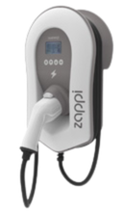 | 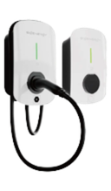 | 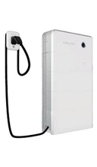 | 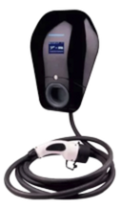 | 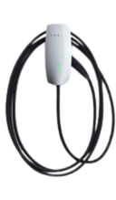 | 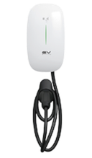 | 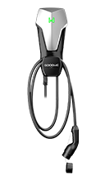 | 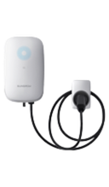 | 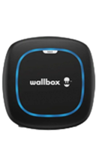 | 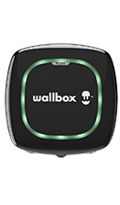 | 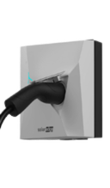 | 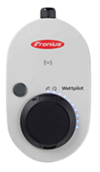 | 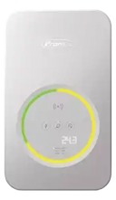 | 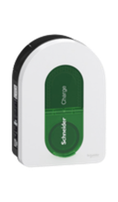 | 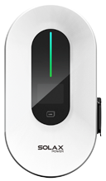 | 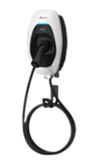 | 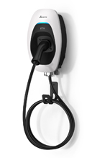 | 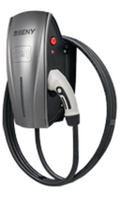 | 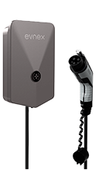 | 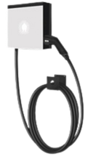 | 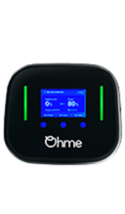 | 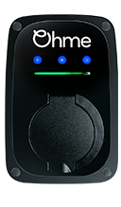 | 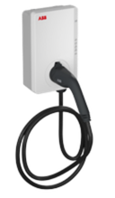 | 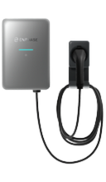 | 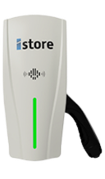 | 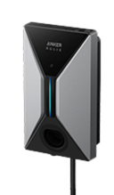 | 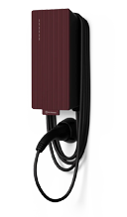 | 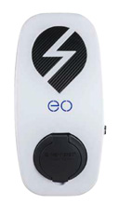 | 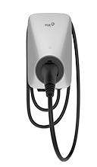 | 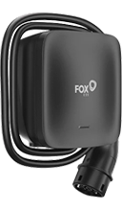 | 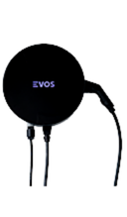 | 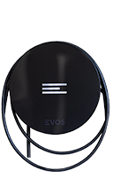 | 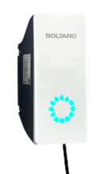 | 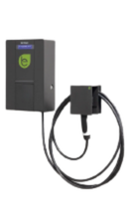 | 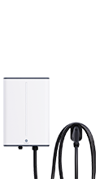
Product variant | Zappi single-phase Zappi three-phase | Sigen EVAC 7 Sigen EVAC 11 Sigen EVAC 22 | SigenStor EVDC 12.5 SigenStor EVDC 25 | IOCAH10R-7S / IOCAH10R-7T IOCAH10R-22S / IOCAH10R-22T | Gen 3 Wall Connector | EVS-AC-070H-01 | GW7K-HCA-20 GW11K-HCA-20 GW22K-HCA-20 | AC22E-01 | Pulsar Max single phase Pulsar Max three phase | Pulsar Plus single phase Pulsar Plus three phase | EVN22B EVN22P | WATTPILOT HOME 22 J | Wattpilot Flex Home 22 C6 | Schneider Charge | X1-HAC-7 X3-HAC-22 | AC MAX Single Phase AC MAX Three Phase | AC MAX Single Phase AC MAX Three Phase | AC EV Charger - Single Phase AC EV Charger - Three Phase | E2 Flex E2 Core E2 Plus | EV Wall single-phase EV Wall three-phase | HP5-07AU-WI-BLSTD-01 | EP0-07AU-WI-BLSTD-01 | Terra AC W7 Terra AC W11 Terra AC W22 | IQ-EVSE-EU-3032-0105-1300 | IS-EVC-7400-1PH IS-EVC-22000-3PH | V1-7.4 V1-22 | EVC2000120S0 EVC2001120S0 EVC2002120S0 | Basic single-phase Basic three-phase | A07KP1-E-B A022KP1-E-B | L07P L11P | Fleet22 | SB7 | 7kW 22kW | BE-W Net Single Phase BE-W Net Three Phase | AD20074EU1923
Price (Approx. AUD price RRP inc. GST) | $1,595 $1,895 | $1,200 $1,300 $1,500 | $6,700 $8,600 | $1,400 $1,550 | $800 | $699 | $1200 $1300 $1500 | $950 | $1,400 $1,650 | $1,549 $1,649 | $1,200 $1,750 | $1,800 | $1,900 | $1,500 | $750 $900 | $1,990 $2,290 | $1,590 $1,890 | $750 $1000 | $799 $1,099 $1,399 | $1,729 $2,229 | $1,395 | $1,199 | $2,000 $2,300 $2,400 | $2,048 | $1,200 $1,500 | $800 $1000 | $1,300 $1,450 $1,600 | $1,400 $1,600 | $799 $1,099 | $1050 $1,200 | $1,800 | $1,400 | $1,050 $1,450 | $1,800 $2,100 | $5,990
Single phase or three phase? | Single-phase Three-phase | Single phase Three phase Three phase | Both Both | Single-phase Three-phase | Both | Single phase | Single phase Three phase Three Phase | Both | Single-phase Three-phase | Single-phase Three-phase | Both Both | Both | Both | Both | Single phase Three phase | Single-phase Three-phase | Single-phase Three-phase | Single phase Three phase | Single-phase Single-phase Single-phase | Single-phase Three-phase | Single phase | Single phase | Single phase Three phase Three phase | Both | Single phase Three phase | Single phase Three phase | Single phase Three phase Three phase | Single-phase Three-phase | Single phase Three phase | Single phase Three phase | Both | Single phase | Single phase Three phase | Single phase Three phase | Single phase
Rated power | 7.4 kW 22 kW | 7 kW 11 kW 22 kW | 12.5 kW 25 kW | 7 kW 22 kW | 7 kW (1 ph), 22 kW (3 ph) | 7kW | 7 kW 11 kW 22 kW | 22kW | 7.4 kW 22 kW | 7.4 kW 22 kW | 22 kW 22 kW | 22 kW | 22 kW | 7-22 kW | 7.2kW 22kW | 7.4 kW 22 kW | 7.4 kW 22 kW | 7.4kW 22 kW | 7.4 kW 7.4 kW 7.4 kW | 7 kW 22 kW | 7.4 kW | 7.4 kW | 7.4 kW 11 kW 22 kW | 22kW | 7.4 kW 22 kW | 7.4kW 22kW | 7.4 kW 11kW 22kW | 7 kW 22 kW | 7.4kW 22kW | 7.3kW 11kW | 7-22kW | 7.36 kW | 7kW 22kW | 7.4 kW 22 kW | 7.4kW
Rated current | 32A 32A | 32A 16A 32A | 40A 80A | 32 A 32 A | 32A per phase | 32A | 32 A 16 A 32 A | 32A | 32 A 32 A | 32 A 32 A | 32A 32A | 6-32 A | 6-32 A | 16-32 A | 32A 32A | 32 A 32 A | 32 A 32 A | 32A 32A | 32 A 32 A 32 A | 32 A 32 A | 32A | 32A | 32A 16A 32A | 32A | 32A 32A | 32A 32A | 32A 16A 32A | 32 A 32 A | 32A 32A | 32A 16A | 32A | 32A | 32A 32A | 32A 32A | 32A
Country of manufacture | United Kingdom | China | China | China | China | China | China | China | Spain | Spain | China | Austria | Austria | China | China | Unknown - manufacturer unresponsive | Unknown - manufacturer unresponsive | China | New Zealand | Belgium | China | China | Italy | TBD | China | China | Lithuania | United Kingdom | China | China | Australia | Australia | China | Italy | China
Enclosure dimensions | 439 x 282 x 122mm | 234 x 384 x 126 | 700 x 270 x 260 | 269 x 360 x 146 mm | 345 x 155 x 110 mm | 344 x 192 x 100 mm | 208 × 450 × 170 mm | 214 x 346 x 125 mm | 198 x 201 x 99 mm | 166 x 163 x 82 mm | 235 x 230 x 130 mm | 287 × 155 × 109 mm | 325 x 195 x 105 mm | 352 x 244 x 117 mm | 206 × 390 × 139 mm | 218 x 371 x 167 mm | 218 x 371 x 167 mm | 169 x 380 x 151 mm | 286 x 185 x 66 mm | 300 × 300 × 110 mm | 200 x 170 x 100 mm | 230mm x 150mm x 140mm | 320 x 195 x 110 mm | 370 × 250 × 118 mm | 380 x 169 x 151 mm | 211 x 360 x 120 mm | 170 mm x 341 mm x 94 mm | 360mm x 165mm x 155mm | 320 x 190 x 145mm | 196 x 197 x 105mm | 380 x 100mm | 320 x 90mm | 368 x 168 x 215 mm | 235 x 370 x 115 mm | 323 × 480 × 175 mm
Weight | 5.5 kg | 6.4 kg | 40 kg | 7.6 kg | 6.8 kg | 2.4 kg | 7.1 kg | 6.6 kg | 1.3 kg | 2 kg | 1.8 kg | 2.3 kg | 5.4 kg | 3.2 kg | 6.5 kg | 3.8 kg | 3.8 kg | 9 kg | 4.2kg (Flex, Core) 4.8kg (Plus) | 9.8 kg | 4 kg | 1.5 kg | 6.5 kg | 11 kg | 7 kg | 4.95 kg | 2.8 kg | 1.3 kg | 5.4 kg | 4.0 kg | 6.5 kg | 3.5 kg | 8 kg | 6.2 kg | 23 kg
PIN/physical lock? | Yes | RFID | RFID | Yes | No | No | Yes | No | Yes | Yes | Yes | Yes | Yes | Yes | Yes | No | Yes | Yes | No | Unknown - manufacturer unresponsive | No | No | No | No | No | No | Card authorisation | Yes | No | No | Lock via app/VID to authorised user | Lock via app/VID to authorised user | Optional | No | No
Multi-user support | No | No | No | Yes | Yes | No | Yes | No | Yes (Super-user can create multiple user profiles for different people) | Yes (Super-user can create multiple user profiles for different people) | Yes | No | No | No | No | Yes (RFID card) | Yes | Yes | Yes | Yes | Yes | Yes | No | Yes | Yes | No | Yes | No | Yes | Yes | Yes | Yes | Optional | Yes | Yes
Charge cable length | 6.5 meters | 5 m | 5 / 7.5 m | 5 meters | 7.3 meters | 7 meters | 7.5 meters | 5m / 7m | 5 meters (optional 7 meters) | 5 meters (optional 7 meters) | N/A | N/A | 6m | Untethered, 5m cable or 7m cable | 6.5m | 5 meters | 5 meters | 6 meters | 5 meter (Flex, Core) 8 meter (Plus) | 8 meters | 5m / 8m | Untethered | 5m or 7.6m | 7.5 m | 7 meters | 7 meters | 5m/7.5m | N/A | 6m | 5/6m | 5 or 6 meters | Up to 5m (Standard) other lengths optional | 6m default | 4m (single phase) 4m/7.5m (three phase) | 5m
Display | Yes | LED | LED | Yes | No | LED | No | LED | No | No | No | No | No | Yes (LEDs) | LED | No | No | Yes - charging indicator | LED charging status ring | No | Yes - LCD Screen and LED charging status bar | Yes – LED charging status bar | Yes | LED | LED | LED | No | No | LED | LED | LED colour status | LED colour status | LEDs | Yes | LED
Standby power consumption | 3W |  |  | Unknown - manufacturer unresponsive | < 5W |  |  |  | 5W | 5W |  | < 5W | < 5W |  |  | < 2.6 W | < 2.6 W | < 5W |  | < 5W |  |  |  |  | 2W |  | 4W | < 5W |  |  |  |  | 2W
Charging modes | 3 mode - Eco, Eco+, Fast | 100% PV charging / Solar boost charging / Fast charging | Fast, eco | Unknown - manufacturer unresponsive | Fast, scheduled | Solar-only, fast | Fast, PV Priority, PV + Battery, Scheduled, Dynamic Load Control | Solar-only, fast | Power boost, Eco-smart, Eco-mode | Power boost, Eco-smart, Eco-mode | Smart schedules, excess solar charging | Eco Mode, Next-Trip Mode (both use Solar Surplus), Time Scheduler | Eco Mode, Next-Trip Mode (both use Solar Surplus), Time Scheduler | Custom schedule, "Reduce my bill" mode, dynamic load balancing | Solar-only, fast | Unknown - manufacturer unresponsive | Unknown - manufacturer unresponsive | Multiple - see datasheet | Solar-only, Scheduled, Fast, Dynamic Load Balancing | Solar-only, scheduled, fast | Dynamic Load Balancing & Solar Compatible | Dynamic Load Balancing & Solar Compatible | Unknown - manufacturer unresponsive | Solar-only, fast | Standard, solar-only | Fast, solar-only | Solar/Dynamic load balancing | Fast | Solar only, solar surplus, smart schedules | Plug & Charge, RFID card, App, scheduled charging | Solar only, Dynamic Load Balancing, Time Schedule, Tariff Schedule, Load Balancing. | Solar only, Dynamic Load Balancing, Time Schedule, Tariff Schedule, Load Balancing. | Full Speed, Solar Optimised, Hybrid | Ecoplus, Ecosmart, Full | Standard, bi-directional
Solar Smart Charging | Yes | Yes | Yes | Yes | No | No | Yes - only if paired with a Goodwe inverter | Yes | Yes | Yes | Yes | Yes | Yes | Yes - requires additional hardware | Yes | Yes | No | Yes | Yes, included in Core and Plus. $350 extra for Flex | Yes | Yes | Yes | With additional hardware | Yes | Yes | Yes - requires Anker Smart Meter | Yes | No | Yes | Yes | Yes | Yes | Yes | No | No
Internet connection? | Yes | Yes | Yes | Yes | Yes | Yes | Yes | Yes | Yes | Yes | Yes | Yes | Yes | Yes | Yes | Yes | No | Yes | Yes | Yes | Yes | Yes | Yes | Yes | Yes | Yes | Yes | Yes | Yes | Yes | Yes | Yes | Yes | Yes | Yes
App control | Yes | Yes | Yes | Yes | Yes | Yes | Yes | Yes | Yes | Yes | Yes | Yes | Yes | Yes | Yes | Yes | Yes | Yes | Yes | Yes | Yes | Yes | Yes | Yes | Yes | Yes | Yes | No | Yes | Yes | Yes | Yes | No | No | Yes
3 to 1 phase smart switching | Yes | No | Yes | No | No | No | No | Yes | Unknown - manufacturer unresponsive | Unknown - manufacturer unresponsive | Yes | Yes | Yes | No | Yes | No | No | Unknown - manufacturer unresponsive | No | Yes | No | No | Unknown - manufacturer unresponsive | Yes | TBD | TBD | Yes | Unknown - manufacturer unresponsive | Yes | Yes | Yes | No | No | No | N/A
OCPP1.6 compatible? | Yes | Yes | Yes | Yes | No | Yes | No | Yes | Yes | Yes | Yes | Yes | Yes | Yes | Yes | Yes | No | Yes | No | Yes | Yes | Yes | Yes | Yes | Yes | Yes | Yes | No | Yes | Yes | Yes (upgradable to 2.0) | Yes (upgradable to 2.0) | No | Yes | Yes
IP rating | IP 65 | IP 65 | IP 66 | IP 54 | IP 55 | IP65 | IP 66 | IP 65 | IP 55 | IP 54 | IP 54 | IP 65 | IP 66 | IP 55 | IP65 | IP 55 | IP 55 | IP55 | IP 55 | IP 54 | IP55 | IP54 | IP 54 | IP 55 | IP 65 | IP 65 | IP 56 | IP 54 | IP65 | IP55 | IP 65 | IP 65 | IP 65 | IP54 | IP65
Operating temperature | -25°C to +40°C | -30 - +55 °C | -30 - +60 °C | -30 ºC to 50 ºC | -30 °C to 50 °C | -30 to +50°C | -30 ~ +50 C | -30 ℃ - 50 ℃ | -25 ºC to 50 ºC | -25 ºC to 40 ºC | -30~50°C | -25 ºC to +40 ºC | -25 ºC to +45 ºC | -30 ºC to 50 ºC | -25 to 50°C | -30 ºC to +50 ºC | -30 ºC to +50 ºC | -25°C - +55°C | -25°C to 55°C | -25 °C to 40 °C | -25°C to 45°C | -25°C to 50°C | -35 - +50 °C | -40°C to 55°C | -25°C ~ 55°C | -30°C to 50°C | -30ºC - +50ºC | -10 °C to 50 °C | -30 to +50C | -25°C to +50°C | -25 °C to 55 °C | -25 °C to 55 °C | -25-55 C | -30°C to +50°C | -30 to 50℃
Bi-directional? | No | No | Yes | No | No | No | No | No | No | No | No | No | No | No | No | No | No | No | No | No | No | No | No | V2X "capable" with software unlock | No | No | No | No | No | No | No | No | No | No | Yes
Warranty (years) | 3 years | 3 years | 3 years | 2 years | 4 years | 1 year | 2 | 3 | 5 years (post-Oct 2025) | 2 years | 3 years | 2 years | 2 years | 2 years | 3 years | 2 years | 2 years | 3 years | 4 years | 3 years | 3 years from installation date | 3 years from installation date | 2 years | 5 | 3 years | 3 years | 3 years | 3 years | 3 years | 3 years | 2 years | 2 years | 3 years | 4 years | 2 years
Notes |  |  | Module of the Sigenstor all-in-one battery. Must be paired with the Sigen Energy Controller (inverter). |  |  |  |  |  |  |  |  |  |  |  |  |  |  | Available both tethered and untethered | Free Evnex Residential App, Automatic Electricity Tariff and Schedule Setting, Charging Session History, Retailer Recommendation, Amber integration |  |  |  |  |  |  |  |  |  | Free FoxCloud2.0 app controls entire Fox ESS ecosystem (inverter, battery, EV charger); Fox Switch App (simple & dedicated EV Charging app for EV charger only users) | Dynamic load balancing; surplus solar charging; IP55/IK08; Type 2 tethered charger; wall or post mount; V2G hardware-ready (ISO 15118) | Free "MyEVOS" app for stop/start/restart, tariff selection and historical charging data | Free "MyEVOS" app for stop/start/restart, tariff selection and historical charging data
Datasheet Supplied? | Zappi datasheet | Sigenergy AC EV Charger datasheet | Yes | Ocular IQ Solar datasheet | Tesla Wall Connector datasheet | EV Switch datasheet | Goodwe HCA datasheet | Yes | Wallbox Pulsar Max datasheet | Wallbox Pulsar Plus datasheet | SolarEdge ONE EV Charger datasheet | Fronius Wattpilot datasheet | Fronius Wattpilot Flex Home datasheet | Schneider Charge datasheet | Yes | Delta AC Max datasheet | Delta AC Max datasheet | ZJ Beny AC EV Charger datasheet | EVNex E2 datasheet | Smappee EV Wall datasheet | Ohme Home Pro datasheet | Ohme ePod datasheet | ABB Terra Wallbox datasheet | Yes | iStore EV Charger datasheet | No | Teltonika EVC2 datasheet | EO Basic datasheet | Yes | Yes | EVOS Fleet22 datasheet | EVOS Fleet22 datasheet | Soltaro EV Charger datasheet | Scame BE-W Net datasheet | Yes
Warranty Supplied? | Zappi warranty | Sigenergy AC EV Charger warranty | Yes | Ocular IQ Solar warranty | Tesla Wall Connector warranty | EV Switch warranty | Goodwe HCA warranty | Yes | Wallbox Pulsar Max warranty | Wallbox Pulsar Plus warranty | SolarEdge ONE EV Charger warranty | Fronius Wattpilot warranty | Fronius Wattpilot warranty | Schneider Charge warranty | Yes | Delta AC Max warranty | Delta AC Max warranty | ZJ Beny AC EV Charger warranty | EVNex E2 warranty | No | Ohme Home Pro warranty | Ohme ePod warranty | ABB Terra Wallbox warranty | Yes | iStore EV Charger warranty | No | Teltonika EVC2 warranty | No | Yes | Yes | EVOS Fleet22 warranty | EVOS Fleet22 warranty | Soltaro EV Charger warranty | Scame BE-W Net warranty | Yes
More information on brand | Here | Here | Here | Here | Here | Here | Here | Here | Here | Here | Here | Here | Here | Here | Here | Here | Here | Here | Here | Here | Here | Here | Here | Here | Here | Here | Here | Here | Here | Here | Here | Here | Here | Here | Here

